Sheet1
https://www.chess.com/learn-how-to-play-chess
 |  |  |  |  |  |  |  |  |  | X |  | Rook | Knight | Bishop | Queen | King | Bishop | Knight | Rook |  | Rook | Knight | Bishop | Queen | King | Bishop | Knight | Rook
 | A8 | B8 | C8 | D8 | E8 | F8 | G8 | H8 | 8 | 0 | Black | 0,0 | 0,1 | 0,2 | 0,3 | 0,4 | 0,5 | 0,6 | 0,7 |  | A8 | B8 | C8 | D8 | E8 | F8 | G8 | H8
 | A7 | B7 | C7 | D7 | E7 | F7 | G7 | H7 | 7 | 1 |  | 1,0 | 1,1 | 1,2 | 1,3 | 1,4 | 1,5 | 1,6 | 1,7 |  | A7 | B7 | C7 | D7 | E7 | F7 | G7 | H7
 | A6 | B6 | C6 | D6 | E6 | F6 | G6 | H6 | 6 | 2 |  | Pawn | Pawn | Pawn | Pawn | Pawn | Pawn | Pawn | Pawn |  | Pawn | Pawn | Pawn | Pawn | Pawn | Pawn | Pawn | Pawn
 | A5 | B5 | C5 | D5 | E5 | F5 | G5 | H5 | 5 | 3
 | A4 | B4 | C4 | D4 | E4 | F4 | G4 | H4 | 4 | 4 |  | Pawn | Pawn | Pawn | Pawn | Pawn | Pawn | Pawn | Pawn |  | Pawn | Pawn | Pawn | Pawn | Pawn | Pawn | Pawn | Pawn
 | A3 | B3 | C3 | D3 | E3 | F3 | G3 | H3 | 3 | 5 | White | 6,0 | 6,1 | 6,2 | 6,3 | 6,4 | 6,5 | 6,6 | 6,7 |  | A2 | B2 | C2 | D2 | E2 | F2 | G2 | H2
 | A2 | B2 | C2 | D2 | E2 | F2 | G2 | H2 | 2 | 6 |  | 7,0 | 7,1 | 7,2 | 7,3 | 7,4 | 7,5 | 7.6 | 7,7 |  | A1 | B1 | C1 | D1 | E1 | F1 | G1 | H1
 | A1 | B1 | C1 | D1 | E1 | F1 | G1 | H1 | 1 | 7 |  | Rook | Knight | Bishop | Queen | King | Bishop | Knight | Rook |  | Rook | Knight | Bishop | Queen | King | Bishop | Knight | Rook
 | A | B | C | D | E | F | G | H
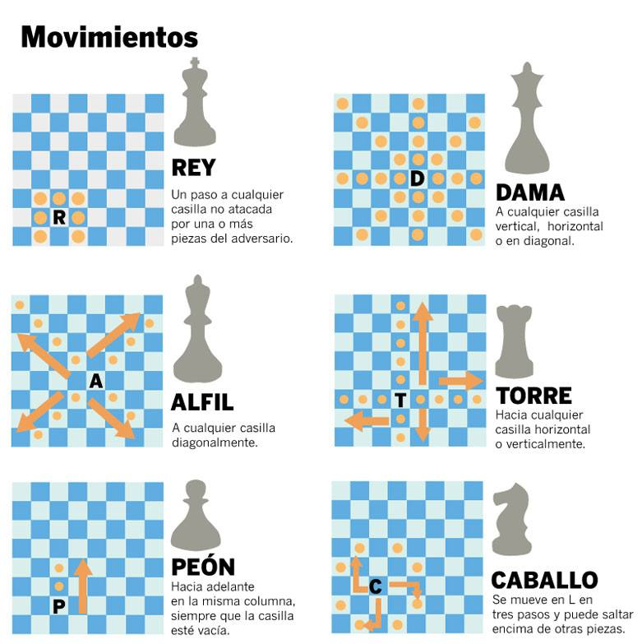
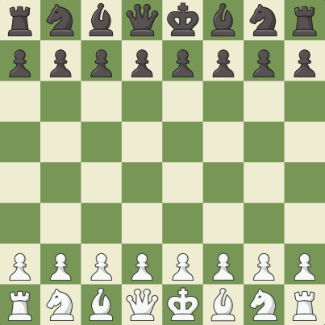
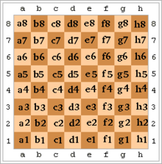
Y | 0 | 1 | 2 | 3 | 4 | 5 | 6 | 7

 |  |  |  |  |  |  |  |  |  | X
 | 0,0 | 0,1 | 0,2 | 0,3 | 0,4 | 0,5 | 0,6 | 0,7 | 8 | 0
 | 1,0 | 1,1 | 1,2 | 1,3 | 1,4 | 1,5 | 1,6 | 1,7 | 7 | 1
 | 2,0 | 2,1 | 2,2 | 2,3 | 2,4 | 2,5 | 2,6 | 2,7 | 6 | 2
 | 3,0 | 3,1 | 3,2 | 3,3 | 3,4 | 3,5 | 3,6 | 3,7 | 5 | 3
 | 4,0 | 4,1 | 4,2 | 4,3 | 4,4 | 4,5 | 4,6 | 4,7 | 4 | 4
 | 5,0 | 5,1 | 5,2 | 5,3 | 5,4 | 5,5 | 5,6 | 5,7 | 3 | 5
 | 6,0 | 6,1 | 6,2 | 6,3 | 6,4 | 6,5 | 6,6 | 6,7 | 2 | 6
 | 7,0 | 7,1 | 7,2 | 7,3 | 7,4 | 7,5 | 7.6 | 7,7 | 1 | 7
 | A | B | C | D | E | F | G | H
Y | 0 | 1 | 2 | 3 | 4 | 5 | 6 | 7

 | INPUT |  |  | A2A3 | = | A2 | FROM
 |  |  |  |  |  | A3 | TO

 |  |  |  | chess |  | array
 | COL-FROM |  |  | A | = | 0
 | ROW-FROM |  |  | 2 | = | 6
 | COL-TO |  |  | A | = | 0
 | ROW-TO |  |  | 3 | = | 5
 |  |  |  |  |  |  |  |  |  |  | Test
 | OUTPUT |  |  | 0605 | = | 6050 | = | 6,0 | FROM |  | Pawn | old row | new row | Result |  |  |  | rook | old row | new row | result
 |  |  |  |  |  |  |  | 5,0 | TO |  |  | 6 | 5 | ok
 |  |  |  |  |  |  |  |  |  |  |  | 6 | 4 | ok | if is first move
 | INPUT |  |  | A2A1 | = | A2 | FROM |  |  |  |  | 6 | 3 | error
 |  |  |  |  |  | A1 | TO
 |  |  |  |  |  |  |  |  |  |  |  | old col | new col
 |  |  |  | chess |  | array |  |  |  |  |  | 3
 | COL-FROM |  |  | A | = | 0
 | ROW-FROM |  |  | 2 | = | 6
 | COL-TO |  |  | A | = | 0
 | ROW-TO |  |  | 1 | = | 7

 | OUTPUT |  |  | 0607 | = | 607 | = | 6,0 | FROM
 |  |  |  |  |  |  |  | 7,0 | TO

 |  |  |  |  |  |  |  |  |  | X
 |  |  |  |  |  |  |  |  | 8 | 0
 |  |  |  |  |  |  |  |  | 7 | 1
 |  |  | x |  | x |  |  |  | 6 | 2
 |  | x |  |  |  | x |  |  | 5 | 3
 |  |  |  | x |  |  |  |  | 4 | 4
 |  | x |  |  |  | x |  |  | 3 | 5
 |  |  | x |  | x |  |  |  | 2 | 6
 |  |  |  |  |  |  |  |  | 1 | 7
 | A | B | C | D | E | F | G | H
 | 0 | 1 | 2 | 3 | 4 | 5 | 6 | 7

